Contents
EXP Function
 | automateexcel.com/functions/exp-formula-excel

 | Table of Contents | Other Resources
 | Introduction EXP | Excel Formulas w/Examples
 | WHAT-is-EXP | Excel Boot Camp - Learn Excel inside Excel
 | WHAT-is-EXP (2) | Excel Functions & Formulas Tutorial

 | Excel Boot Camp
 | Learn Excel Inside Excel


 | Learn Excel inside Excel with our Interactive Tutorial
 | Automatically Graded Exercises
 | Shortcuts & Best Practices "Work Smarter, not Harder"

Learn More

 | Course Contents


Learn More

Introduction EXP
EXP |  | =EXP ()
The EXP function returns the number e. Euler's number, raised to the power of a given number.

Number | Result | Formula
0 | 1.0 | =EXP(B6)
1 | 2.71828182845905 | =EXP(B7)
2 | 7.38905609893065 | =EXP(B8)
3 | 20.08553692318767 | =EXP(B9)
-1 | 0.36787944117144 | =EXP(B10)
0.001 | 1.00100050016671 | =EXP(B11)
0.010 | 1.01005016708417 | =EXP(B12)

automateexcel.com/functions/exp-formula-excel
Learn More
Excel Boot Camp - Learn Excel Inside Excel

WHAT-is-EXP
 | Result | Formula
 | 3 | =LN(EXP(3))
 | 5 | =EXP(LN(5))

automateexcel.com/functions/exp-formula-excel
Learn More
Excel Boot Camp - Learn Excel Inside Excel

WHAT-is-EXP (2)
Initial number of people infected | 1
infection rate | 0.2
Day | 45
Number infected | 8103

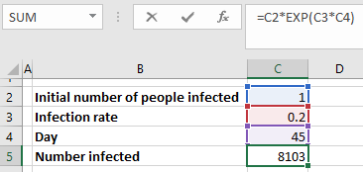

automateexcel.com/functions/exp-formula-excel
Learn More
Excel Boot Camp - Learn Excel Inside Excel

